Reference Flowchart & Tables
Reference: Juvenile Court Screening & Assessment Tools (Sample Flowchart)
This is the flowchart referenced in Requirement Matrix (this document), tab "Functional Req - Assessment", requirement A2.
Please provide your response to requirement accordingly in the tab "Functional Req - Assessment".
Please do not edit or respond on this tab.

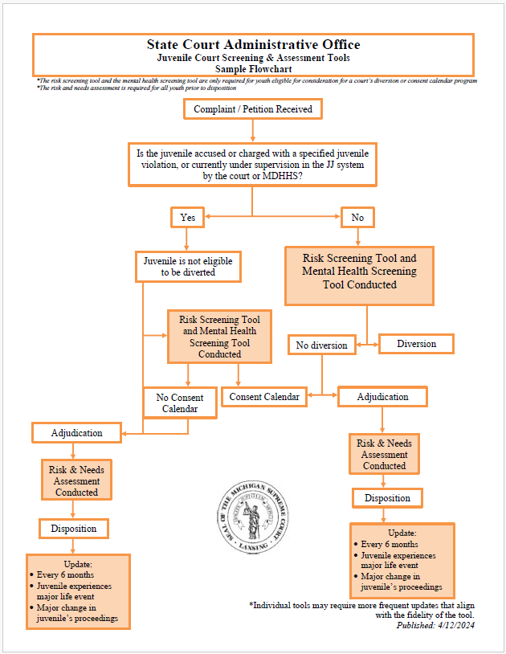
For "Functional Req - Assessment" requirement A2

Please note:
JJ: Juvenile Justice
MDHHS: Michigan Department of Health and Human Services

Reference: Michigan Juvenile Justice Assessment System (MJJAS) Risk Level Scoring Examples
This is referenced in Requirement Matrix (this document), tab "Functional Req - Assessment", requirement A29.
Please provide your response to requirement accordingly in the tab "Functional Req - Assessment".
Please do not edit or respond on this tab.
